TUTORIAL
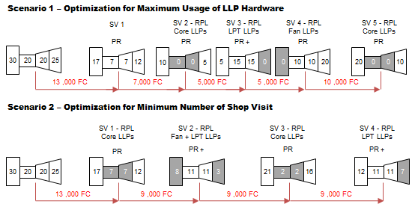
 | ENGINE SHOP VISIT TUTORIAL

FACTORS INFLUENCING ENGINE COSTS & TIME ON-WING
An engine will occasion several shop visits during its life, however the rate of visits will depend on various operational parameters consisting of:

1.) Thrust Rating : For a given engine model, EGT margin deteriorates faster when operating at higher thrust levels – Figure 1. Higher thrust generates higher core temperatures, which
exposes constituent parts in the engine to greater thermal stress. Reducing thrust will: a.) Slow EGT deterioration, b.) Reduces fuel-flow and c.) Lower maintenance costs
by increasing time between shop visits.

Figure 1 Engine Thrust Rating versus Time On-Wing
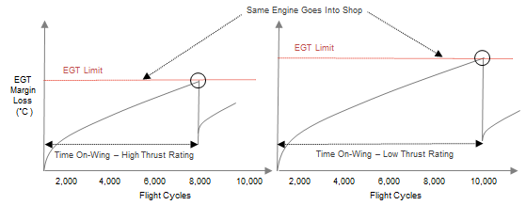

2.) Operational Severity - An engine’s DMC is heavily influenced by the severity of the operating environment it is exposed to. More demanding operating conditions will impose greater
stress on engine parts and components. Operating severity comprises an aircraft's : a.) Flight length (flight leg), b.) Take-off derate, and c.) Operating severity / ambient temperatures.

Figure 2 - Effects of Engine Flight Length

 |  | Flight Length
 |  | As the flight length reduces an engine spends a larger proportion of total flight time using
 |  | take-off and climb power settings. In most instances the effect of shorter stage length
 |  | operation is more rapid performance deterioration leading to greater direct
 |  | maintenance cost per flight hour - Figure 2.0. Conversely, longer sector lengths will lead to
 |  | less wear and tear and an increase in the on-wing time of an engine.

Figure 3 - Effects of Engine Take-off Derate

 |  | Engine Take-off Derate
 |  | Take-off derate thrust is a takeoff thrust setting that is below the maximum thrust level.
 |  | A larger derate translates into lower take-off EGT and therefore enjoys a lower engine
 |  | deterioration rate, longer on-wing life, and reduced cost per flight hour. Figure 3
 |  | illustrates engine derate and its effect on direct maintenance cost.

Figure 4 - Effects of Environment
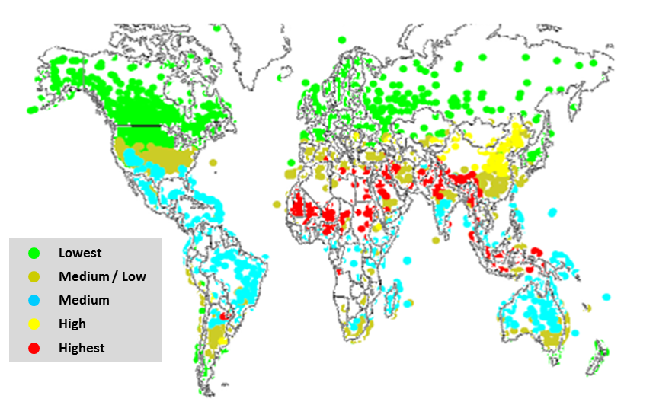
 |  | Engines operated in dusty, sandy and erosive-corrosive are exposed to higher blade
 |  | distress environments - Figure 4 - and thus and thus greater performance deterioration
 |  | Particulate material due to air pollution, such as dust, sand or industry emissions can
 |  | erode HPC blades and block HPT vane/blade cooling holes. Other environmental distress
 |  | symptoms consist of hardware corrosion and oxidation. For engines operating in hot/dry
 |  | & erosive environments, EGT margin erosion rates are likely to be greater.

 |  | Turbofan engines are normally flat rated to ambient air temperatures around International
 |  | Standard Atmosphere (ISA) + 15°C, which is equivalent to 30°C at sea level conditions. The
 |  | turbine entry temperature at max take-off and max climb rating increase as ambient air
Colors highlight severity and rate of occurrence of distress |  | temp increases, up to their limit value. Therefore, an engine exposed to high ambient
Temperate - green & brown / Erosive - blue & yellow / Hot & Harsh - red |  | temp will experience lower available EGT margin and greater performance degradation.

3.) Engine Age - Older engines generally cost more to maintain than newer engines. As an engine ages its average time to shop visit lessens - Figure 5. First-run engines will last
considerably longer on-wing than mature engines. In fact, it is not uncommon to see first-run engines remaining on-wing 20%-30% longer than mature-run engines. As the
engine ages a disproportionate amount of parts experience higher deterioration rates, higher scrap rates, and correspondingly higher engine maintenance cost.

Figure 5 - Effects of Age

4.) Workscope Planning - an engine’s Workscope Planning Guide (WPG) is a maintenance planning guide published by each engine manufacturer that details the suggested
level of required maintenance on each module as well as a list of recommended Service Bulletins. Engine manufacturers generally specify three levels of workscopes
consisting of: 1.) Minimum Level, 2.) Performance Level, and 3.) Full Overhaul Level. See Figure 6.

Minimum Level Workscope – Typically applies to situations where a module has limited time since last overhaul. The key tasks accomplished with this workscope level
are external inspections, and to some extent, minor repairs. It is not necessary to disassemble the module to meet the requirements of a minimum level workscope.
Performance Level Workscope – Will normally require teardown of a module to expose the rotor assembly. Airfoils, guide vanes, seals, and shrouds are inspected and
repaired or replaced as needed to restore the performance of the module. Cost-effective performance restoration requires determination of the items having the
greatest potential for regaining both exhaust gas temperature (EGT) and Specific Fuel Consumption (SFC) margin.
Full Overhaul Workscope - Full overhaul applies to a module if its time / cycle status exceeds the recommended (soft-time) threshold, or if the condition
of the hardware makes full overhaul necessary. The module is disassembled to piece-parts and every part in the module receives a full serviceability
inspection and, if required, is replaced with new or repaired hardware.

Figure 6 - Workscope levels

The level of workscope to be performed on an engine is dependent on the time accumulated on the engine modules and observed hardware condition. The key determinants that
affect the workscope inputs vary by operator but generally can be categorized as being influenced by either; 1.) Time on-wing considerations, or 2.) Business considerations.
Figure 7 illustrates the trade-off between workscope policy optimized for maximum usgage of engine LLPs versus one optimized for minimum numbe rof shop visits.

Figure 7 - Example Workscope Policies

ENGINE SV FORECASTER
 |  |  |  |  |  |  |  |  | ENGINE SHOP VISIT - COST FORECASTER
 |  |  |  |  |  |  |  |  |  |  |  |  |  |  |  |  |  |  |  |  |  |  |  | Summary : | FH | FC | LLP $ | PR $ | PR - $/FH | SV $ | SV - $/FH | LLP Stub Loss $ | LLP Stub Loss %
ENIGNE SHOP VISIT FORECASTER |  |  |  | ------------------------------ SHOP VISIT 1 ------------------------------ |  |  |  |  | ------------------------------ SHOP VISIT 2 ------------------------------ |  |  |  |  | ------------------------------ SHOP VISIT 3 ------------------------------ |  |  |  |  | ------------------------------ SHOP VISIT 4 ------------------------------ |  |  |  |  | SV 1 $ : | 32,000 | 16,000 | 1,300,000 | 2,400,000 | 75 | 3,700,000 | 116 | (260,000) | 10.40%
 |  |  |  | FIRST-RUN |  |  |  |  | MATURE-RUN |  |  |  |  | MATURE-RUN |  |  |  |  | MATURE-RUN |  |  |  |  | SV 2 $ : | 16,000 | 8,000 | 1,200,000 | 2,562,500 | 160 | 3,762,500 | 235 | (144,000) | 5.76%
RATING (lb) |  | 24,000 |  |  | TIME ON-WING (FH) |  | 32,000 |  |  | TIME ON-WING (FH) |  | 16,000 |  |  | TIME ON-WING (FH) |  | 16,000 |  |  | TIME ON-WING (FH) |  | 16,000 |  | SV 3 $ : | 16,000 | 8,000 | 1,300,000 | 2,500,000 | 156 | 3,800,000 | 238 | (260,000) | 10.40%
 |  |  |  |  | TIME ON-WING (FH) |  |  |  |  | TIME ON-WING (FH) |  |  |  |  | TIME ON-WING (FH) |  |  |  |  | TIME ON-WING (FH) |  |  |  | SV 4 $ : | 16,000 | 8,000 | - | 2,500,000 | 156 | 2,500,000 | 156 | -
FLIGHT LEG |  | 2.00 |  |  | TIME ON-WING (FC) |  | 16,000 |  |  | TIME ON-WING (FC) |  | 8,000 |  |  | TIME ON-WING (FC) |  | 8,000 |  |  | TIME ON-WING (FC) |  | 8,000 |  | SV1 - SV4 : | 80,000 | 40,000 | 3,800,000 | 9,962,500 | 125 | 13,762,500 | 172 | (664,000) | 8.85%
 |  |  |  |  |  |  |  |  |  |  |  |  |  |  |  |  |  |  |  |  |  |  |  | SV1 |  | SV2 |  | SV3 |  |  | SV4
DERATE |  | 10% |  |  | BUILD GOAL (FC) |  | 8,000 |  |  | BUILD GOAL (FC) |  | 8,000 |  |  | BUILD GOAL (FC) |  | 8,000 |  |  | BUILD GOAL (FC) |  | 8,000 |  | PR : $2.40 M | 2.40 | PR : $2.56 M | 2.56 | PR : $2.50 M | 2.50 | PR : $2.50 M | 2.50 | PR : $9.96 M | 9.96
 |  |  |  |  |  |  |  |  |  |  |  |  |  |  |  |  |  |  |  |  |  |  |  | LLP : $1.30 M | 1.30 | LLP : $1.20 M | 1.20 | LLP : $1.30 M | 1.30 | LLP : $0.00 M | 0.00 | LLP : $3.80 M | 3.80
REGION |  | Temperate |  |  | WORKSCOPE LEVEL |  | PR |  |  | WORKSCOPE LEVEL |  | PR+ |  |  | WORKSCOPE LEVEL |  | PR |  |  | WORKSCOPE LEVEL |  | PR |  | SV : $3.70 M | 3.70 | SV : $3.76 M | 3.76 | SV : $3.80 M | 3.80 | SV : $2.50 M | 2.50 | SV : $13.76 M | 13.76
 |  |  |  |  |  |  |  |  |  |  |  |  |  |  |  |  |  |  |  |  |  |  |  | Stub Loss : $260 K | 260.000 | Stub Loss : $144 K | 144.000 | Stub Loss : $260 K | 260.000 | Stub Loss : $00 K | 0.000 | Stub Loss : $664 K | 664
PR : $2.40 M | 2.4
LLP : $1.30 M | 1.3
PR : $2.56 M | 2.5625
LLP : $1.20 M | 1.2
PR : $2.50 M | 2.5
LLP : $1.30 M | 1.3
PR : $2.50 M | 2.5
LLP : $0.00 M | 0
 | SUMMARY DATA |  |  |  |  |  |  |  |  |  |  |  |  |  |  |  |  |  |  |  |  |  |  | Stub Loss : 10.4% | 10.40% | Stub Loss : 5.8% | 5.76% | Stub Loss : 10.4% | 10.40% | Stub Loss : 0.0% | 0.00% | Stub Loss : 8.9% | 8.85%
SUMMARY |  |  |  |  |  |  |  |  |  |  |  |  |  |  |  |  |  |  |  |  |  |  |  | PR ($/FH) : 75.00 | 75.00 | PR ($/FH) : 160.20 | 160.20 | PR ($/FH) : 156.30 | 156.30 | PR ($/FH) : 156.30 | 156.30 | PR ($/FH) : 124.50 | 124.50
 | PR : $9.96 M
 | LLP : $3.80 M
 | SV : $13.76 M |  |  |  | SV : $3.70 M |  |  |  |  | SV : $3.76 M |  |  |  |  | SV : $3.80 M |  |  |  |  | SV : $2.50 M
 | PR ($/FH) : 124.50 |  |  |  | PR ($/FH) : 75.00 |  |  |  |  | PR ($/FH) : 160.20 |  |  |  |  | PR ($/FH) : 156.30 |  |  |  |  | PR ($/FH) : 156.30
 | Stub Loss : 8.9% |  |  |  | Stub Loss : 10.4% |  |  |  |  | Stub Loss : 5.8% |  |  |  |  | Stub Loss : 10.4% |  |  |  |  | Stub Loss : 0.0%

 | LLP | LLP | LLP | ----------------- SHOP VISIT 1 PREDICTED COSTS ---------------- |  |  |  |  | ----------------- SHOP VISIT 2 PREDICTED COSTS ----------------- |  |  |  |  | ----------------- SHOP VISIT 3 PREDICTED COSTS ----------------- |  |  |  |  | ----------------- SHOP VISIT 4 PREDICTED COSTS -----------------
 | ITEM | COST $ | LIMIT | FC IN | REPLACED | LLP $ | STUB $ | FC OUT | FC IN | REPLACED | LLP $ | STUB $ | FC OUT | FC IN | REPLACED | LLP $ | STUB $ | FC OUT | FC IN | REPLACED | LLP $ | STUB $ | FC OUT
FAN | LLP 1 | 200,000 | 30,000 | 14,000 |  |  |  | 14,000 | 6,000 | LLP 1 | 200,000 | (40,000) | 30,000 | 22,000 |  |  |  | 22,000 | 14,000 |  |  |  | 14,000
 | LLP 2 | 200,000 | 30,000 | 14,000 |  |  |  | 14,000 | 6,000 | LLP 2 | 200,000 | (40,000) | 30,000 | 22,000 |  |  |  | 22,000 | 14,000 |  |  |  | 14,000
 | LLP 3 | 200,000 | 30,000 | 14,000 |  |  |  | 14,000 | 6,000 | LLP 3 | 200,000 | (40,000) | 30,000 | 22,000 |  |  |  | 22,000 | 14,000 |  |  |  | 14,000
HPC | LLP 4 | 100,000 | 20,000 | 4,000 | LLP 4 | 100,000 | (20,000) | 20,000 | 12,000 |  |  |  | 12,000 | 4,000 | LLP 4 | 100,000 | (20,000) | 20,000 | 12,000 |  |  |  | 12,000
 | LLP 5 | 100,000 | 20,000 | 4,000 | LLP 5 | 100,000 | (20,000) | 20,000 | 12,000 |  |  |  | 12,000 | 4,000 | LLP 5 | 100,000 | (20,000) | 20,000 | 12,000 |  |  |  | 12,000
 | LLP 6 | 100,000 | 20,000 | 4,000 | LLP 6 | 100,000 | (20,000) | 20,000 | 12,000 |  |  |  | 12,000 | 4,000 | LLP 6 | 100,000 | (20,000) | 20,000 | 12,000 |  |  |  | 12,000
 | LLP 7 | 100,000 | 20,000 | 4,000 | LLP 7 | 100,000 | (20,000) | 20,000 | 12,000 |  |  |  | 12,000 | 4,000 | LLP 7 | 100,000 | (20,000) | 20,000 | 12,000 |  |  |  | 12,000
 | LLP 8 | 100,000 | 20,000 | 4,000 | LLP 8 | 100,000 | (20,000) | 20,000 | 12,000 |  |  |  | 12,000 | 4,000 | LLP 8 | 100,000 | (20,000) | 20,000 | 12,000 |  |  |  | 12,000
HPT | LLP 9 | 200,000 | 20,000 | 4,000 | LLP 9 | 200,000 | (40,000) | 20,000 | 12,000 |  |  |  | 12,000 | 4,000 | LLP 9 | 200,000 | (40,000) | 20,000 | 12,000 |  |  |  | 12,000
 | LLP 10 | 200,000 | 20,000 | 4,000 | LLP 10 | 200,000 | (40,000) | 20,000 | 12,000 |  |  |  | 12,000 | 4,000 | LLP 10 | 200,000 | (40,000) | 20,000 | 12,000 |  |  |  | 12,000
 | LLP 11 | 200,000 | 20,000 | 4,000 | LLP 11 | 200,000 | (40,000) | 20,000 | 12,000 |  |  |  | 12,000 | 4,000 | LLP 11 | 200,000 | (40,000) | 20,000 | 12,000 |  |  |  | 12,000
 | LLP 12 | 200,000 | 20,000 | 4,000 | LLP 12 | 200,000 | (40,000) | 20,000 | 12,000 |  |  |  | 12,000 | 4,000 | LLP 12 | 200,000 | (40,000) | 20,000 | 12,000 |  |  |  | 12,000
LPT | LLP 13 | 100,000 | 25,000 | 9,000 |  |  |  | 9,000 | 1,000 | LLP 13 | 100,000 | (4,000) | 25,000 | 17,000 |  |  |  | 17,000 | 9,000 |  |  |  | 9,000
 | LLP 14 | 100,000 | 25,000 | 9,000 |  |  |  | 9,000 | 1,000 | LLP 14 | 100,000 | (4,000) | 25,000 | 17,000 |  |  |  | 17,000 | 9,000 |  |  |  | 9,000
 | LLP 15 | 100,000 | 25,000 | 9,000 |  |  |  | 9,000 | 1,000 | LLP 15 | 100,000 | (4,000) | 25,000 | 17,000 |  |  |  | 17,000 | 9,000 |  |  |  | 9,000
 | LLP 16 | 100,000 | 25,000 | 9,000 |  |  |  | 9,000 | 1,000 | LLP 16 | 100,000 | (4,000) | 25,000 | 17,000 |  |  |  | 17,000 | 9,000 |  |  |  | 9,000
 | LLP 17 | 100,000 | 25,000 | 9,000 |  |  |  | 9,000 | 1,000 | LLP 17 | 100,000 | (4,000) | 25,000 | 17,000 |  |  |  | 17,000 | 9,000 |  |  |  | 9,000
 | LLP 18 | 100,000 | 25,000 | 9,000 |  |  |  | 9,000 | 1,000 | LLP 18 | 100,000 | (4,000) | 25,000 | 17,000 |  |  |  | 17,000 | 9,000 |  |  |  | 9,000
 | LLP $ : | 2,500,000 |  |  |  | 1,300,000 | (260,000) |  |  |  | 1,200,000 | (144,000) |  |  |  | 1,300,000 | (260,000) |  |  |  | - | -
 | PR $ : |  |  |  |  | 2,400,000 |  |  |  |  | 2,562,500 |  |  |  |  | 2,500,000 |  |  |  |  | 2,500,000
 | SV $ : |  |  |  |  | 3,700,000 |  |  |  |  | 3,762,500 |  |  |  |  | 3,800,000 |  |  |  |  | 2,500,000

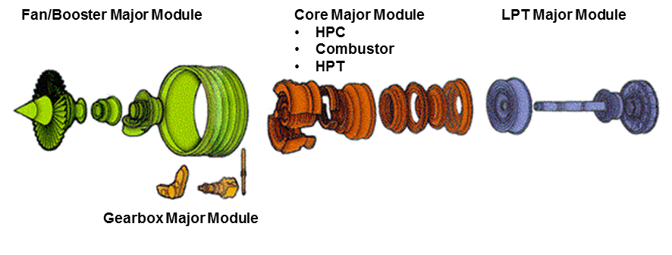
 | NOTES & DEFINITIONS |  |  |  |  |  |  |  |  |  |  |  |  |  | EXAMPLE ENGINE MODULE BREAKDOWN
 | "Performance Restoration" means, at a minimum, the accomplishment of a performance level workscope on the High Pressure Compressor (HPC),
 | Combusror, and High Pressure Turbine (HPT). A qualifying performance level workscope seeks to :
 | a.) Obtain the maximum time between shop visits with resultant lower cost per Engine Flight Hourand the greatest potential for regaining EGT margin, &
 | b.) To plan the LLP stub-life such that engines are removed for LLP at Cycles Since Shop Visits that are consistent with recommended engine build goals.

 | "Engine Modules" means any of the six major modules, namely: 1.) High Pressure Compressor ("HPC"), 2.) High Pressure Turbine ("HPT"), 3.) Combustor,
 | 4.) Fan Booster, 5.) Low Pressure Turbine ("LPT"), and 6.) Gearbox

 | “First-Run” with respect to an Engine shall refer to the period from new manufacture of the Engine until completion of the first accomplishment of a
 | Performance Restoration on such Engine since new manufacture.
 | “Mature Run” with respect to an Engine shall refer to the period after completion of the first accomplishment of a Performance Restoration
 | "Stub-life" is used to represent the engines shortest life remaining of all LLPs installed in a specific engine.

 | Most repair shops will assess the life remaining on LLPs when an engine is inducted for maintenance and will manage time limited components to coincide with subsequent shop visits. Ideally, the repair shop will ensure that LLP stub-lives closely
 | match the expected time on-wing from EGT margin erosion. So, for example, if an engine’s LLP stub-life is 10,000 FC then the repair center will ensure that the engine has sufficient EGT margin to stay on-wing for 10,000 FC. The 10,000 FC would then
 | be called the engine build standard, or build goal..

 | DISCLAIMER
 | The information contained in this tool is inteded to be used as a learning guide for estimating engine shop visit costs. The information does not imply or infer any guarantee, and in using this tool the user agrees the author shall bear no legal liability.

